IATA Disclaimer
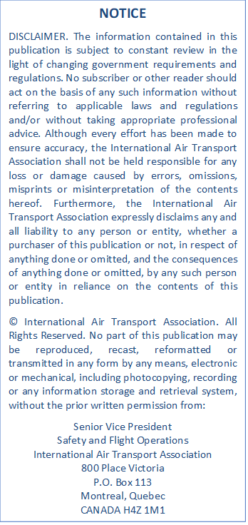

IATA Disclaimer

Admin Instructions
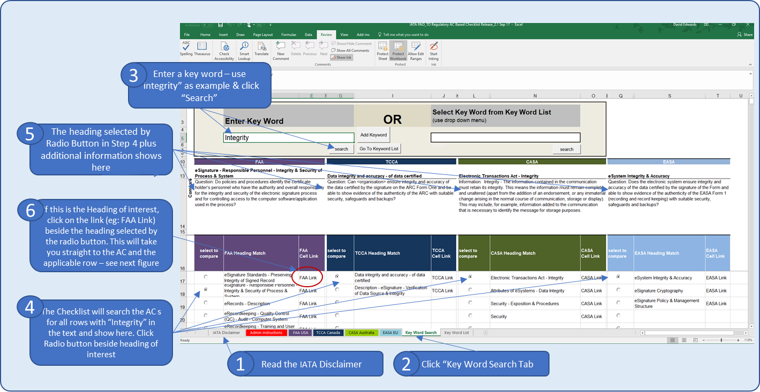
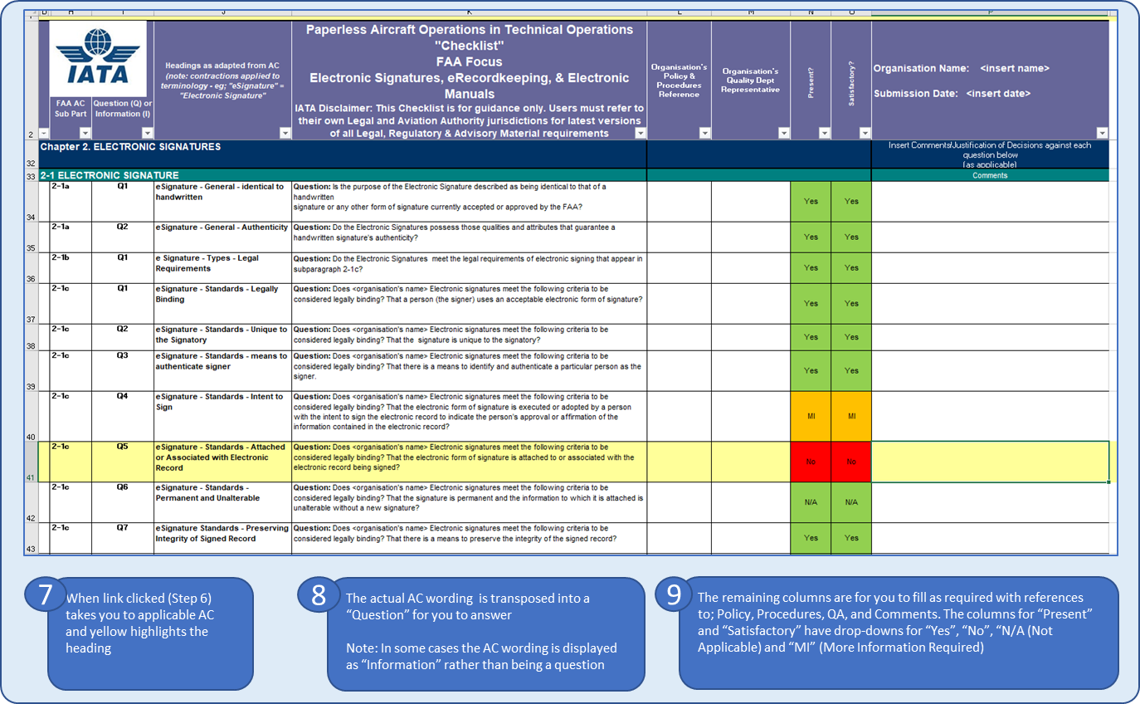
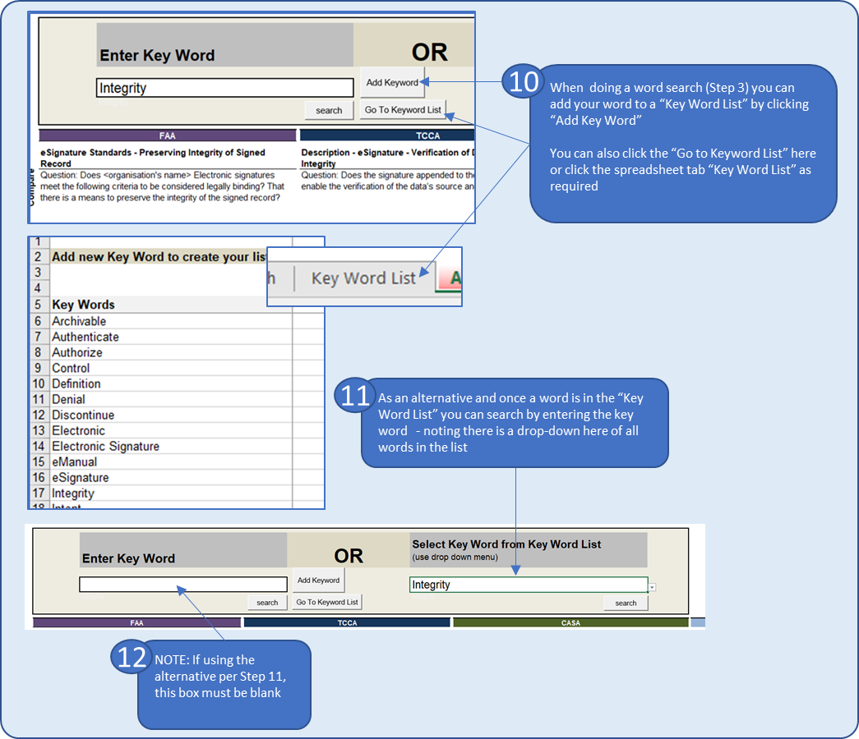
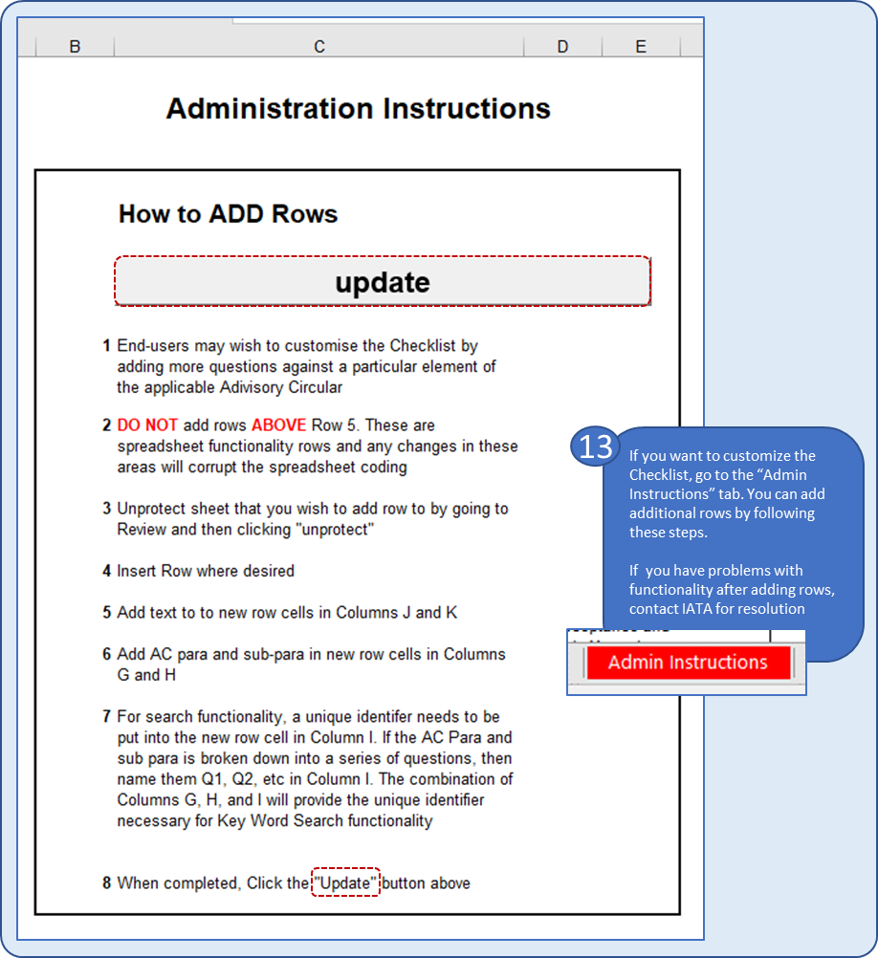
IATA PAO:TO Regulatory Based Checklist
Date | Version | Amendment
23-Aug-17 | Release 2 | EASA Tab Added
 |  | IATA Disclaimer Tab Added

Administration Instructions |  |  | User Guide

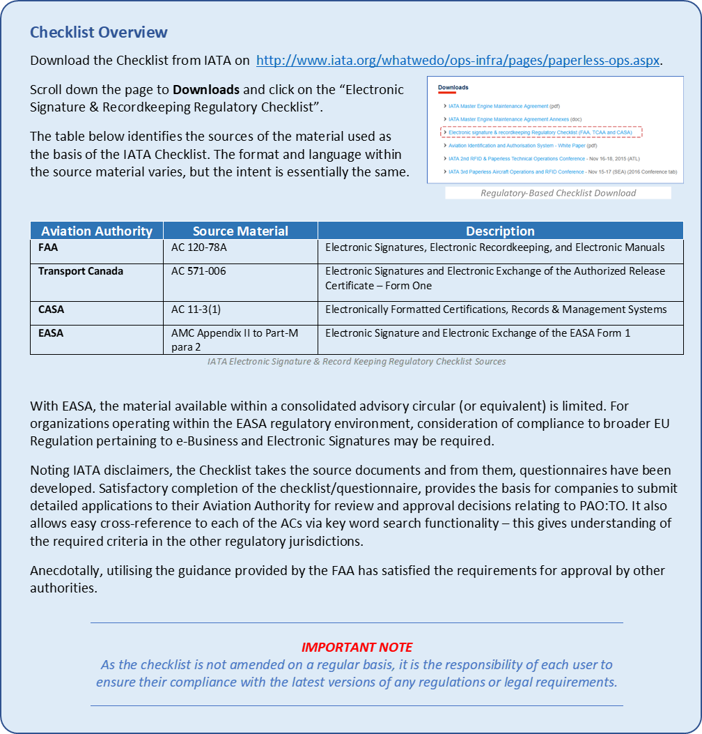

 | How to ADD Rows

1 | End-users may wish to customise the Checklist by adding more questions against a particular element of the applicable Adivisory Circular

2 | DO NOT add rows ABOVE Row 5. These are spreadsheet functionality rows and any changes in these areas will corrupt the spreadsheet coding

3 | Unprotect sheet that you wish to add row to by going to Review and then clicking "unprotect"

4 | Insert Row where desired

5 | Add text to to new row cells in Columns J and K

6 | Add AC para and sub-para in new row cells in Columns G and H

7 | For search functionality, a unique identifer needs to be put into the new row cell in Column I. If the AC Para and sub para is broken down into a series of questions, then name them Q1, Q2, etc in Column I. The combination of Columns G, H, and I will provide the unique identifier necessary for Key Word Search functionality

8 | When completed, Click the "Update" button above

